Comparision

Traditional House |  |  |  | Solar Powered House(Rooftop Solar)

Unit Consumed | Yearly | ₹ 73,000 |  | Unit Consumed | Yearly | ₹ 73,000
Electricity Bill Pay to Board | Rs./Yr | ₹ 730,000 |  | Electricity Bill save and Invest | Rs./Yr | ₹ 730,000

One time Investment |  | ₹ 0.00 |  | One time Investment |  | ₹217,200
IRR (Return) |  | 0% |  | IRR (Return) |  | 69%
Earn Money After 25Year |  | ₹ 0.00 |  | Earn Money After 25Year |  | ₹ 80,186,401
Earn Money from Year 1 |  | No |  | Earn Money from Year 1 |  | Yes
CO2 Save in 25 Year | KG | 0 |  | CO2 Save in 25 Year | KG | 761,736
Can Owner feel proud?(3) |  | No |  | Can Owner feel proud?(3) |  | Yes

Notes:- Banefits
1. Invest in solar, give more return than FD, Stock Market, Mutual Fund and 99% Risk free
2. Save from high sunlight and give extra shad.
3. One step towards sustainibilty , Feel proud and proudly say "My house is run on sustainable enegy" |  |  |  |  |  |  | Particular | Fixed Deposit | Sensex | Mutual Fund | Rooftop Solar
Initial Investment |  |  | 217,200 |  |  |  | Initial Investment | ₹ 217,200 | ₹ 217,200 | ₹ 217,200 | ₹ 217,200
IRR (Solar Power Project) |  |  | 69% |  |  |  | (ROI) | 7.75% | 13.40% | 22.87% | 26.67%
Earning after 25 Year (Re- invest) |  |  | 80,186,401 |  |  |  | Earn after 25 Year | ₹ 1,403,757 | ₹ 5,037,165 | ₹ 37,411,600 | ₹ 80,186,401
 |  |  |  |  |  |  | Risk | Near to Zero | High | High | Near to Zero

Data
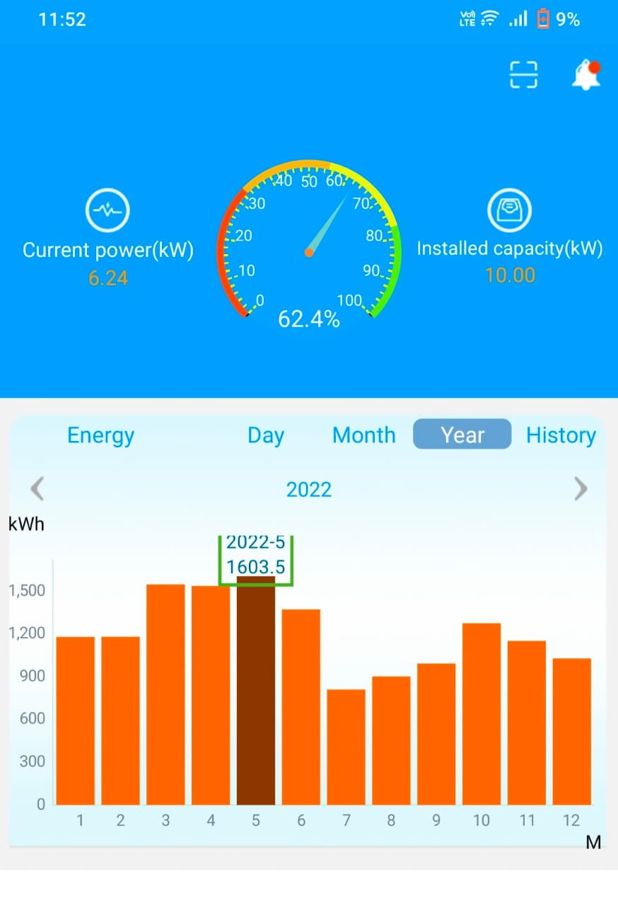

Source * 10KW Solar power plant installed at family house , 2022 data , app
Per Month 2022 Data

